1. Labelled Supervised Learning
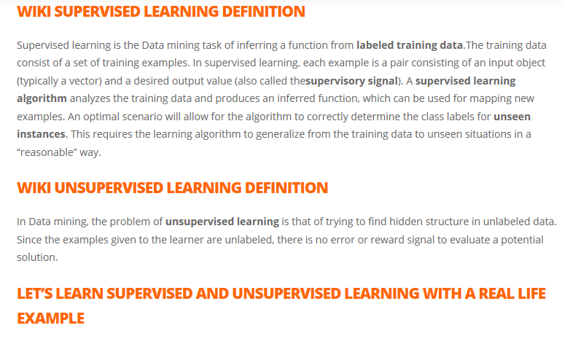
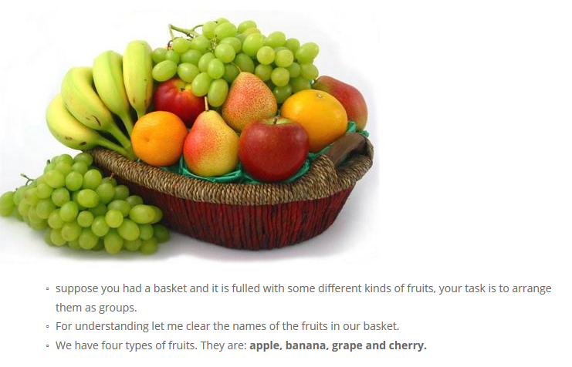
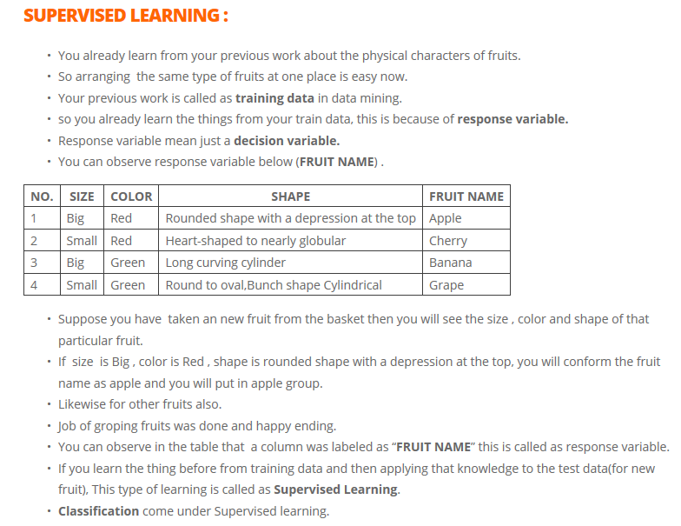
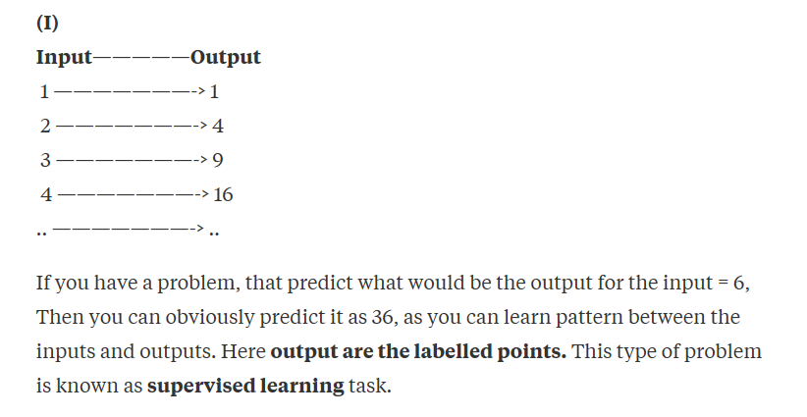
Labeled data is a group of samples that have been tagged with one or more labels. Labeling typically takes a set of unlabeled data and augments each piece of that unlabeled data with meaningful tags that are informative.

2. Unlabelled data & Unsup Lear
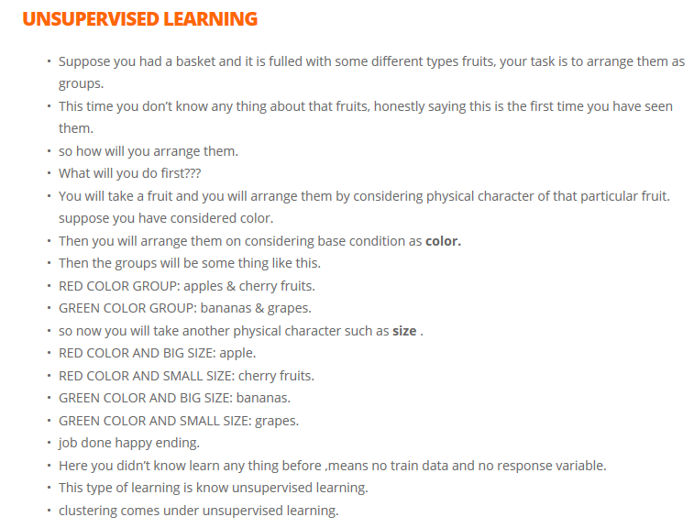
Unlabeled data is a group of samples that have no tagged labels or information available.

3. Summary
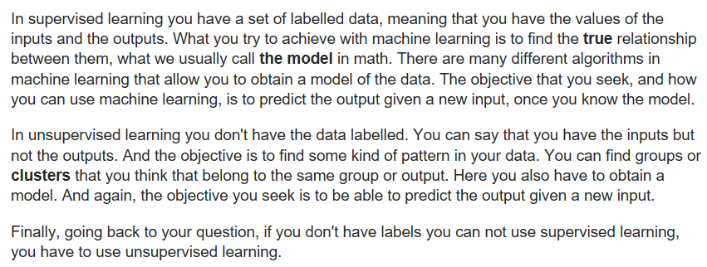
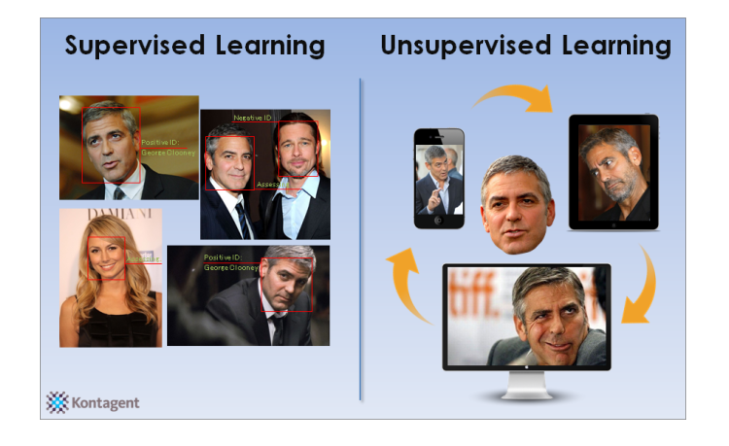
The picture speaks for itself :) :)

